Sheet1
df
n | 1519
k | 3
R-square | 0.3152 | 0.054918448617
adj-R-square | 0.3138439604
Adj R Sq | 0.053047

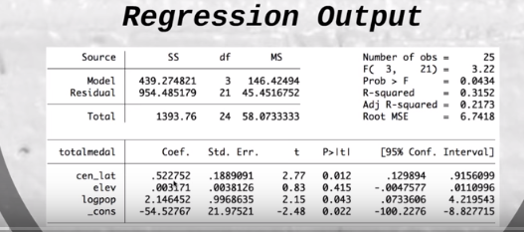

 |  | X'X | 25 | 0 | 0
 |  |  | 0 | 10 | 20
 |  |  | 0 | 20 | 50
 |  | Highlight area to put inverse matrix. X'X Inverse = =MINVERSE(D18:F20). Then hit Ctrl+Shift+Enter at a time. |  |  |  |  | X'Y
 |  | (X'X) Inverse | 0.04 | 0 | 0 |  | 100
 |  |  | 0 | 0.5 | -0.2 |  | 1
 |  |  | 0 | -0.2 | 0.1 |  | 8
 |  | Determinant of Matrix = mdeterm(array) and press enter. Det =MDETERM(D18:F20)
 |  | Det. Mat X'X | 2500

 |  | Multiply Matrics: =MMULT(D22:F24,H22:H24)
 |  | Multiply two matrices | 4 | b1
 |  |  | -1.1 | b2
 |  |  | 0.6 | b3

 |  |  |  |  | 13 | 2.5649493575 | 0.64400748467 | 8.6039674847
 |  |  |  |  | 5453.2524238

